Org Chart
ORG CHART
EVENT DETAILS |  |  |  |  |  |  | Version # as of 02.16.23
Customer Name - Event Name - Venue, City
Event Dates

 | Encore Production Team as of 12.4.24
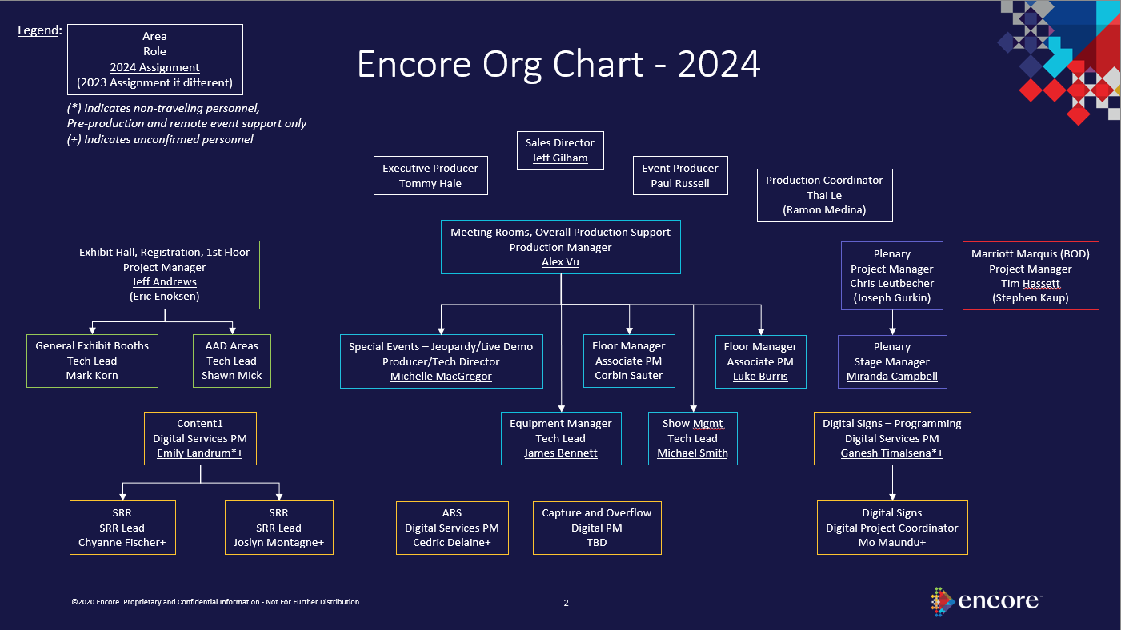
 |  |  |  |  |  |  |  |  | Name
 | Name |  | Name | Name |  | Name
 |  |  |  |  |  |  |  |  | Sales Manager
 | Sales Manager |  |  | Event Producer General Session |  | Event Producer

 |  |  |  |  |  |  |  |  | Name

 |  |  |  |  | Name |  |  | Name | Event Producer General Session

 | Name | Name |  |  | Show Producer General Session |  |  | Stage Manager General Session
 |  |  |  |  |  |  |  |  | Name
 | Project Manager Exposition | Project Manager Meeting Rooms
 |  |  |  |  |  |  |  |  | Show Producer General Session

 |  |  |  |  | Name |  |  | Name
 | Name | Name |  |  |  |  |  |  | Name
 |  |  |  |  | Production Manager General Session |  |  | Deck Manager General Session
 | Exposition Lead | Project Manager Exposition |  |  |  |  |  |  | Production Manager General Session

 |  |  |  |  |  |  |  |  | Name

 |  |  |  |  |  |  |  |  | Stage Manager General Session
 |  |  | Name |  | Name |  |  | Name

 |  |  | Audio Lead General Session |  | Video Lead General Session |  |  | Lighting Lead General Session | Name

 |  |  |  |  |  |  |  |  | Deck Manager General Session
 |  |  | Audio Lead |  | Video lead |  |  | Show Producer General Session

