Org Chart
ORG CHART
EVENT DETAILS |  |  |  |  |  |  | Version # as of 03.16.23
ISTH 2023 / Montreal / Palais des Congres
Event Dates: 6/24/2023 - 6/28/2023

Note: View Contact List for current roles and assignments.
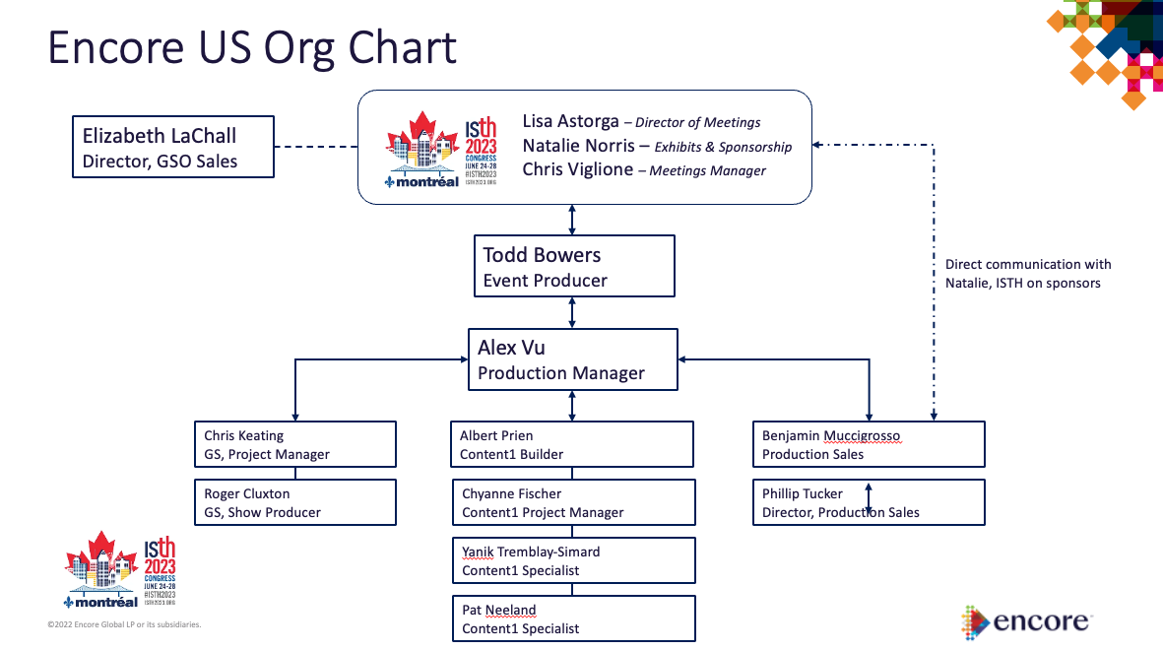
 |  |  |  |  |  |  |  |  | Name
 | Name |  | Name | Name |  | Name
 |  |  |  |  |  |  |  |  | Sales Manager
 | Sales Manager |  |  | Event Producer General Session |  | Event Producer

 |  |  |  |  |  |  |  |  | Name

 |  |  |  |  | Name |  |  | Name | Event Producer General Session

 | Name | Name |  |  | Show Producer General Session |  |  | Stage Manager General Session
 |  |  |  |  |  |  |  |  | Name
 | Project Manager Exposition | Project Manager Meeting Rooms
 |  |  |  |  |  |  |  |  | Show Producer General Session

 |  |  |  |  | Name |  |  | Name
 | Name | Name |  |  |  |  |  |  | Name
 |  |  |  |  | Production Manager General Session |  |  | Deck Manager General Session
 | Exposition Lead | Project Manager Exposition |  |  |  |  |  |  | Production Manager General Session

 |  |  |  |  |  |  |  |  | Name

 |  |  |  |  |  |  |  |  | Stage Manager General Session
 |  |  | Name |  | Name |  |  | Name

 |  |  | Audio Lead General Session |  | Video Lead General Session |  |  | Lighting Lead General Session | Name

 |  |  |  |  |  |  |  |  | Deck Manager General Session
 |  |  | Audio Lead |  | Video lead |  |  | Show Producer General Session

