ALT Capacity
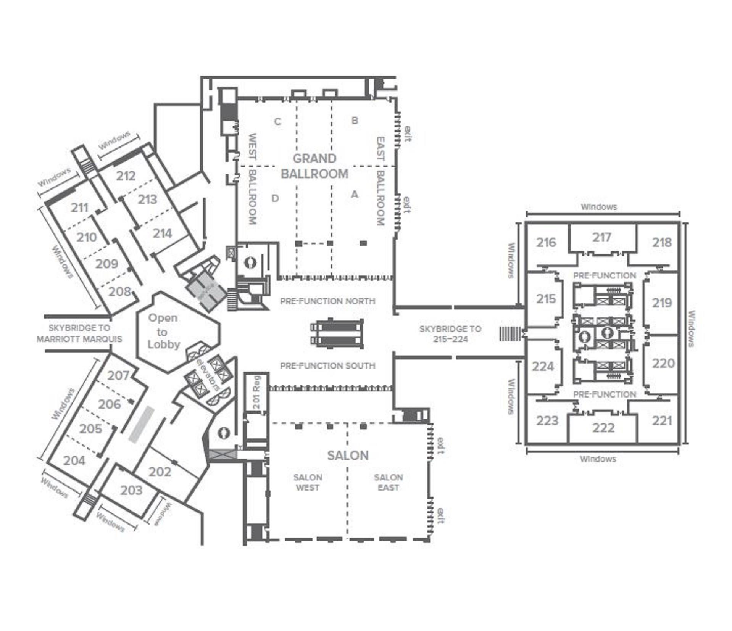
Hilton Atlanta |  |  |  | Sun | Mon | Tue | Wed |  |  |  |  |  |  |  | Need production office
 |  |  |  | 2023-02-11 | 2023-02-12 | 2023-02-13 | 2023-02-14 |  |  |  |  |  |  |  | Need CEO Office
Location | Room Name | USED - Day 2 | USED - Day 3 | Day0 | Day1 | Day 2 | Day 3 | Theater | Reception | Banquet | Classroom | UShape | Conference | Square Feet | Need Clarivate Office
Level 2 | 204-205* |  |  | No |  |  |  | 190 | 190 | 150 | 99 |  | 54 | 3,763 ft²
Level 2 | 204-205-206* |  |  | No |  |  |  | 280 | 280 | 220 | 144 |  | 72 | 8,480 ft²
Level 2 | 204-205-206-207* |  |  | No |  |  |  | 350 | 350 | 270 | 174 |  | 90 | 3,625 ft²
Level 2 | 205-206* |  |  | No |  |  |  | 170 | 170 | 140 | 84 |  | 54 | 1,782 ft²
Level 2 | 205-206-207* |  |  | No |  |  |  | 240 | 240 | 190 | 114 |  | 72 | 2,625 ft²
Level 2 | 206-207* |  |  | No |  |  |  | 160 | 160 | 120 | 85 |  | 52 | 1,850 ft²
Level 2 | 208-209* |  |  | No |  |  |  | 150 | 150 | 120 | 69 |  | 52 | 1,700 ft²
Level 2 | 208-209-210* |  |  | No |  |  |  | 230 | 230 | 190 | 108 |  | 72 | 2,550 ft²
Level 2 | 208-209-210-211* |  |  | No |  |  |  | 340 | 340 | 270 | 168 |  | 90 | 3,408 ft²
Level 2 | 209-210* |  |  | No |  |  |  | 160 | 160 | 140 | 78 |  | 54 | 1,836 ft²
Level 2 | 209-210-211* |  |  | No |  |  |  | 270 | 270 | 220 | 138 |  | 72 | 2,592 ft²
Level 2 | 210-211* |  |  | No |  |  |  | 190 | 190 | 160 | 99 |  | 54 | 1,776 ft²
Level 2 | 213-214* |  |  | No |  |  |  | 170 | 170 | 140 | 84 |  | 56 | 1,600 ft²
 | 401-402* |  |  | No |  |  |  | 115 | 115 | 90 | 63 |  | 40 | 1,250 ft²
 | 404-405* |  |  | No |  |  |  | 115 | 115 | 90 | 63 |  | 40 | 1,352 ft²
 | CRYSTAL ABC* |  |  | No |  |  |  | 209 | 200 | 140 |  |  | 63 | 1,950 ft²
 | CRYSTAL ABEF* |  |  | No |  |  |  | 263 | 230 | 180 | 144 |  | 93 | 2,585 ft²
 | CRYSTAL AF* |  |  | No |  |  |  | 150 | 155 | 100 | 90 |  | 55 | 1,540 ft²
 | CRYSTAL BALLROOM A* |  |  | No |  |  |  | 75 | 75 | 50 | 45 |  | 25 | 728 ft²
 | CRYSTAL BALLROOM B* |  |  | No |  |  |  | 54 | 50 | 40 | 30 |  | 18 | 494 ft²
 | CRYSTAL BALLROOM C* |  |  | No |  |  |  | 80 | 75 | 50 | 36 |  | 20 | 728 ft²
 | CRYSTAL BALLROOM D* |  |  | No |  |  |  | 80 | 75 | 50 | 36 | 18 | 20 | 812 ft²
 | CRYSTAL BALLROOM E* |  |  | No |  |  |  | 54 | 50 | 40 |  |  | 20 | 551 ft²
 | CRYSTAL BALLROOM F* |  |  | No |  |  |  | 80 | 75 | 50 | 45 |  | 30 | 812 ft²
 | CRYSTAL BALLROOM* |  |  | No |  |  |  | 400 | 350 | 280 | 186 |  |  | 4,180 ft²
 | CRYSTAL BC* |  |  | No |  |  |  | 134 | 125 | 90 | 66 |  | 38 | 1,222 ft²
 | CRYSTAL BE* |  |  | No |  |  |  | 104 | 110 | 80 | 54 |  | 38 | 1,045 ft²
 | EAST AND CORRIDOR* |  |  | No |  |  |  | 1,092 | 1,200 | 770 | 540 |  |  | 11,890 ft²
 | Executive Boardroom* |  |  | No |  |  |  |  |  |  |  |  | 16 | 864 ft²
Level 2 | Function Room 202* | STORAGE | STORAGE | Yes | Yes | Yes | Yes | 130 | 130 | 80 | 66 |  | 40 | 1,125 ft² |  | 24hr hold - this was originally planned for office space
Level 2 | Function Room 203* | OUR OFFICE | OUR OFFICE | Yes | Yes | Yes | Yes | 110 | 110 | 80 | 60 |  | 34 | 1,040 ft² |  | this was originally planned for office space - only until 2pm (203) |  | STORAGE
Level 2 | Function Room 204* | IP | LS&H | Yes | Yes | Yes | Yes | 110 | 110 | 80 | 60 |  | 34 | 1,040 ft²
Level 2 | Function Room 205* | LS&H | A&G | Yes | Yes | Yes | Yes | 80 | 80 | 60 | 39 |  | 28 | 837 ft²
Level 2 | Function Room 206* | LS&H | A&G | Yes | Yes | Yes | Yes | 90 | 90 | 40 | 45 |  | 28 | 945 ft²
LUNCH
Sessions
Level 2 | Function Room 207* | LS&H | LS&H | Yes | Yes | Yes | Yes | 70 | 70 | 40 | 30 |  | 24 | 975 ft²
Level 2 | Function Room 208* | A&G | A&G | Yes | Yes | Yes | Yes | 70 | 70 | 70 | 30 |  | 24 | 850 ft²
Level 2 | Function Room 209* | A&G | A&G | Yes | Yes | Yes | Yes | 80 | 80 | 70 | 39 |  | 28 | 918 ft² |  |  | Needed on day 0 for setup
Level 2 | Function Room 210* | A&G | A&G | Yes | Yes | Yes | Yes | 80 | 80 | 80 | 39 |  | 28 | 918 ft² |  |  | Needed on day 0 for setup
Level 2 | Function Room 211* | A&G | IP | Yes | Yes | Yes | Yes | 110 | 110 | 80 | 60 |  | 34 | 960 ft²
Level 2 | Function Room 212* | LS&H | LS&H | Yes | Yes | Yes | Yes | 110 | 110 | 60 | 60 |  | 34 | 950 ft² | Managers Breakfast | Need a day 1 solution for lunch
Level 2 | Function Room 213* | LS&H | A&G | Yes | Yes | Yes | Yes | 80 | 80 | 60 | 39 |  | 28 | 810 ft² | Managers Breakfast
Level 2 | Function Room 214* | LS&H | A&G | Yes | Yes | Yes | Yes | 90 | 90 | 70 | 45 |  | 28 | 850 ft² | Managers Breakfast
Level 2 | Function Room 215* | LS&H | IP | Yes | Yes | Yes | Yes | 110 | 100 | 80 | 48 |  | 36 | 988 ft²
Level 2 | Function Room 216* | FREE | A&G | Yes | Yes | Yes | Yes | 105 | 110 | 80 | 60 |  | 30 | 920 ft²
Level 2 | Function Room 217* | FREE | A&G | Yes | Yes | Yes | Yes | 110 | 120 | 80 | 60 |  | 30 | 1,014 ft²
Level 2 | Function Room 218* | FREE | A&G | Yes | Yes | Yes | Yes | 105 | 110 | 80 | 60 |  | 30 | 920 ft²
Level 2 | Function Room 219* | FREE | IP | Yes | Yes | Yes | Yes | 110 | 140 | 80 | 48 |  | 36 | 1,121 ft²
Level 2 | Function Room 220* | FREE | IP | Yes | Yes | Yes | Yes | 110 | 120 | 80 | 48 |  | 36 | 1,045 ft²
Level 2 | Function Room 221* | FREE | IP | Yes | Yes | Yes | Yes | 105 | 110 | 80 | 60 |  | 30 | 920 ft²
Level 2 | Function Room 222* | FREE | IP | Yes | Yes | Yes | Yes | 110 | 120 | 80 | 60 |  | 30 | 1,014 ft²
Level 2 | Function Room 223* | FREE | IP | Yes | Yes | Yes | Yes | 105 | 110 | 80 | 60 |  | 30 | 920 ft²
Level 2 | Function Room 224* | FREE | IP | Yes | Yes | Yes | Yes | 110 | 100 | 80 | 48 |  | 36 | 988 ft²
Level 3 | Function Room 301* |  | A&G | No |  | Yes | Yes | 90 | 80 | 60 | 51 | 24 | 34 | 851 ft²
Level 3 | Function Room 302* |  | IP | No |  | Yes | Yes | 120 | 130 | 80 | 69 | 32 | 40 | 1,440 ft²
Level 3 | Function Room 303* |  | A&G | No |  | Yes | Yes | 110 | 105 | 90 | 66 | 32 | 40 | 1,152 ft²
Level 3 | Function Room 304* |  | LS&H | No |  | Yes | Yes | 120 | 130 | 90 | 69 | 32 | 40 | 1,440 ft²
Level 3 | Function Room 305* |  | A&G | No |  | Yes | Yes | 110 | 105 | 90 | 66 | 32 | 40 | 1,152 ft²
Level 3 | Function Room 306* | CEO | CEO +ELT | Need | Need | Need | Need | 50 | 50 | 40 | 27 | 18 | 26 | 598 ft² | Brandon is updating
Level 3 | Function Room 307* |  |  | No | No | No | No | 50 | 50 | 40 | 27 | 18 | 26 | 598 ft² | Brandon is updating
Level 3 | Function Room 308* |  | A&G | No |  | Yes | Yes | 50 | 50 | 40 | 26 | 18 | 26 | 598 ft² | New
Level 3 | Function Room 309* |  | A&G | No |  | Yes | Yes | 65 | 65 | 50 | 36 |  | 20 | 624 ft² | New
Level 3 | Function Room 310* |  | A&G | No |  | Yes | Yes | 70 | 70 | 50 | 36 |  | 20 | 648 ft² | New
Level 3 | Function Room 311* |  | IP | No |  | Yes | Yes | 70 | 70 | 50 | 36 |  | 20 | 648 ft² | New
Level 3 | Function Room 312* |  | IP | No |  | Yes | Yes | 55 | 50 | 30 | 30 |  | 20 | 624 ft² | New
Level 3 | Function Room 313* |  | IP | No |  | Yes | Yes | 65 | 65 | 50 | 36 |  | 20 | 650 ft² | New
Level 3 | Function Room 314* |  | LS&H | No |  | Yes | Yes | 65 | 65 | 50 | 36 |  | 20 | 650 ft²
Level 3 | Function Room 315* |  | LS&H | No |  | NEED | NEED | 24 |  |  |  |  | 24 | 875 ft² | Brandon is updating
 | Function Room 401* |  |  | No |  |  |  | 65 | 65 | 40 | 30 | 18 | 24 | 575 ft²
 | Function Room 402* |  |  | No |  |  |  | 75 | 75 | 50 | 33 | 18 | 24 | 675 ft²
 | Function Room 403* |  |  | No |  |  |  | 75 | 75 | 50 | 33 | 18 | 24 | 675 ft²
 | Function Room 404* |  |  | No |  |  |  | 80 | 80 | 40 | 33 | 18 | 24 | 728 ft²
 | Function Room 405* |  |  | No |  |  |  | 70 | 70 | 40 | 33 | 18 | 24 | 624 ft²
 | Function Room 406* |  |  | No |  |  |  | 80 | 80 | 40 | 33 | 18 | 24 | 728 ft²
 | Function Room 407* |  |  | No |  |  |  | 70 | 70 | 40 | 33 | 18 | 24 | 624 ft²
 | GALLERIA 1* |  |  | No |  |  |  | 240 | 240 | 200 | 120 |  | 30 | 2,496 ft²
 | GALLERIA 2* |  |  | No |  |  |  | 270 | 276 | 220 | 123 |  | 42 | 2,750 ft²
 | GALLERIA 3* |  |  | No |  |  |  | 130 | 158 | 120 | 90 |  | 36 | 1,596 ft²
 | GALLERIA 4* |  |  | No |  |  |  | 272 | 267 | 230 | 152 |  | 60 | 2,600 ft²
 | GALLERIA 5* |  |  | No |  |  |  | 300 | 287 | 260 | 180 |  | 48 | 2,860 ft²
 | GALLERIA 6* |  |  | No |  |  |  | 144 | 160 | 110 | 69 |  | 36 | 1,672 ft²
 | GALLERIA 7* |  |  | No |  |  |  | 120 | 150 | 110 | 69 |  | 36 | 1,512 ft²
 | GALLERIA 8* |  |  | No |  |  |  | 174 | 100 | 100 | 78 |  | 30 | 1,638 ft²
Level 2 | GALLERIA EXHIBIT HALL* |  |  | No |  |  |  |  | 2,000 | 1,400 |  |  |  | 38,976 ft²
Level 2 | GRAND BALLROOM A* |  |  |  |  |  |  | 351 | 350 | 220 | 210 |  | 46 | 4,730 ft²
Level 2 | GRAND BALLROOM B* |  |  |  |  |  |  | 351 | 350 | 220 | 210 |  | 46 | 3,245 ft²
Level 2 | GRAND BALLROOM C* |  |  |  |  |  |  | 351 | 350 | 220 | 210 |  | 46 | 3,127 ft²
Level 2 | GRAND BALLROOM CORRIDOR* |  |  | Inc | Inc | Inc | Inc | 406 | 350 | 220 | 180 |  |  | 3,915 ft²
Level 2 | GRAND BALLROOM D* |  |  |  |  |  |  | 351 | 350 | 220 | 210 |  | 46 | 4,558 ft²
Level 2 | GRAND BALLROOM EAST* |  |  | Yes | Yes | Yes | Yes | 702 | 750 | 540 | 360 |  |  | 7,975 ft² |  | hotel prefers to do F&B in the ballrooms
Level 2 | GRAND BALLROOM WEST* |  |  | Yes | Yes | Yes | Yes | 702 | 750 | 540 | 360 |  |  | 7,685 ft² |  | until 6pm
Level 2 | GRAND BALLROOM* |  |  | Inc | Inc | Inc | Inc | 1,914 | 1,800 | 1,380 | 1,140 |  |  | 19,575 ft²
Level 2 | SALON EAST* |  |  | Yes | Yes | Yes | Yes | 828 | 750 | 560 | 510 |  |  | 7,081 ft² |  | 2:30PM close
Level 2 | SALON WEST* |  |  | Yes | Yes | Yes | Yes | 828 | 750 | 560 | 510 |  |  | 7,081 ft²
Level 2 | SALON* |  |  |  |  |  |  | 1,656 | 1,600 | 1,120 | 1,020 |  |  | 17,000 ft²
Level 2 | WEST AND CORRIDOR* |  |  | Inc | Inc | Inc | Inc | 1,092 | 1,200 | 770 | 540 |  |  | 11,600 ft²
Level 2 | 212-213* |  |  | No | Inc | Inc | Inc | 190 | 190 | 150 | 99 |  | 54 | 1,700 ft²
Level 2 | 212-213-214* |  |  | No | Inc | Inc | Inc | 280 | 280 | 210 | 144 |  | 72 | 2,550 ft²
Level 3 | 301-302* |  |  | No |  |  |  | 170 | 210 | 140 | 97 |  | 54 | 1,955 ft²
Level 3 | 301-302-303* |  |  | No |  |  |  | 210 | 315 | 230 | 132 |  | 72 | 3,059 ft²
Level 3 | 301-302-303-304* |  |  | No |  |  |  | 310 | 445 | 320 | 186 |  | 90 | 4,163 ft²
Level 3 | 301-302-303-304-305* |  |  | No |  |  |  | 370 | 550 | 410 | 218 |  | 105 | 5,267 ft²
Level 3 | 302-303* |  |  | No |  |  |  | 190 | 235 | 170 | 84 |  | 54 | 2,304 ft²
Level 3 | 302-303-304* |  |  | No |  |  |  | 250 | 365 | 260 | 132 |  | 72 | 3,456 ft²
Level 3 | 302-303-304-305* |  |  | No |  |  |  | 310 | 470 | 350 | 186 |  | 90 | 4,608 ft²
Level 3 | 303-304* |  |  | No |  |  |  | 190 | 235 | 180 | 84 |  | 54 | 2,304 ft²
Level 3 | 303-304-305* |  |  | No |  |  |  | 220 | 340 | 270 | 143 |  | 72 | 3,456 ft²
Level 3 | 304-305* |  |  | No |  |  |  | 190 | 235 | 180 | 132 |  | 54 | 2,304 ft²
Level 3 | 309-310* |  |  | No |  |  |  | 135 | 135 | 100 | 72 |  | 40 | 1,272 ft²
Level 3 | 309-310-311* |  |  | No |  |  |  | 205 | 205 | 150 | 108 |  | 60 | 1,920 ft²
Level 3 | 309-310-311-312* |  |  | No |  |  |  | 260 | 265 | 190 | 138 |  | 80 | 2,544 ft²
Level 3 | 310-311* |  |  | No |  |  |  | 140 | 140 | 100 | 72 |  | 40 | 1,296 ft²
Level 3 | 310-311-312* |  |  | No |  |  |  | 195 | 200 | 140 | 102 |  | 60 | 1,920 ft²
Level 3 | 311-312* |  |  | No |  |  |  | 125 | 120 | 80 | 66 |  | 40 | 1,272 ft²
Level 3 | 313-314* |  |  | No |  |  |  | 130 | 130 | 100 | 72 |  | 40 | 1,300 ft²
 | 406-407* |  |  | No |  |  |  | 115 | 115 | 90 | 63 |  | 40 | 1,352 ft²
 | CRYSTAL AB* |  |  | No |  |  |  | 129 | 125 | 90 | 75 |  | 43 | 1,222 ft²
 | CRYSTAL BCDE* |  |  | No |  |  |  | 268 | 240 | 180 | 126 |  | 78 | 2,912 ft²
 | CRYSTAL CD* |  |  | No |  |  |  | 160 | 155 | 100 | 72 |  | 40 | 1,540 ft²
 | Galleria 2-3* |  |  | No |  |  |  | 450 | 400 | 360 | 210 |  | 72 | 4,352 ft²
 | Galleria 5-6-7* |  |  | No |  |  |  | 570 | 690 | 520 | 348 |  |  | 5,928 ft²
 | Galleria 6-7* |  |  | No |  |  |  | 260 | 340 | 240 | 135 |  | 72 | 3,132 ft²
Level 2 | 201 Reg (there is an office behind this space) | SKO Office | SKO Office | Inc | Inc | Inc | Inc |  |  |  |  |  |  | 336 ft²
Level 2 | Level 2 - Prefunction |  |  | No | No | Inc | Inc
 | Nikolais Roof |  |  | No
Count of rooms |  |  |  | 27 | 27 | 39 | 39

